Hiearchy View
Class: SCUPPER
an opening in the side walls of a vessel or an open-air structure, which allows water to drain instead of pooling within the bulwark or gunwales of a vessel, or within the curbing or walls of a building. | 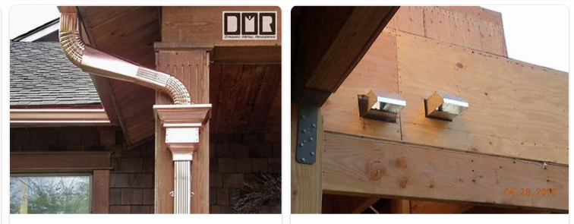
REMOVE | N

PROBLEM_DESC | CAUSE_DESC | REMEDY_DESC
ALARM/SENSOR
BROKEN/DAMAGED
LEAKING
LIGHTING
NOISE
OTHER PROBLEM
OVERHEATING
PESTS
POWER-ELEC
PRESSURE
SMELL
STOPPED/SLOWED/POOR OPS
TEMP-CTRL
VIBRATION
Grand Total

